PRE BOY-YB
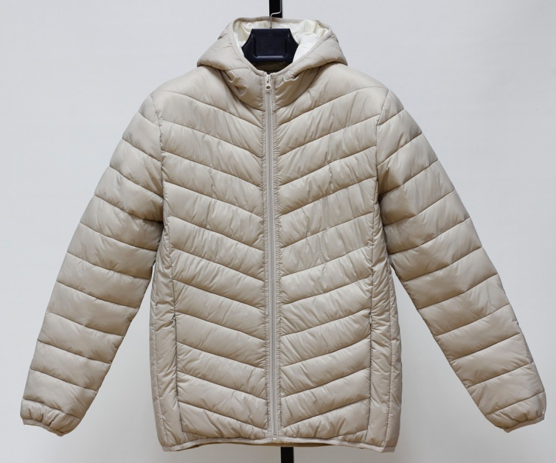
JACKET IN- STOCK
Description | MEN THICK PUFFER JACKET
Style NO. | # 0148
Shell Fabric | 100% nylon 20D
Lining | Polyester 210T
Filler | Polyfill, |  |  |  | 500 | G/PC
 | Quantity List
COLOR / SIZE | S | M | L | XL | XXL | PCS/Color
Black | 281 | 562 | 562 | 281 | 281 | 1967
Khaki | 82 | 164 | 164 | 82 | 82 | 574

Total Quantity : 2541 PCS
UNIT PRICE : US$ 9.90 FOB(XIAMEN)
We will charge 0.25$ more if you want to change labels&tags.
Packing List | Ratio(Solid Color/Full sizes) |  |  |  |  | PCS
COLOR / SIZE | S | M | L | XL | XXL | per CTN
SOLID COLOR | 4 | 8 | 8 | 4 | 4 | 28

Black | 70 | CTNS | 9.42 | CBM |  | TOTAL
Khaki | 21 | CTNS | 2.75 | CBM |  | 12.17

 |  |  |  |  |  | CBM
TOTAL : | 91 | CTNS
G/W:16.0KGS | Total G.W: |  | 1452.0KGS
N/W:15.0KGS | MEAS: | 58 X | 34 X | 68 CM

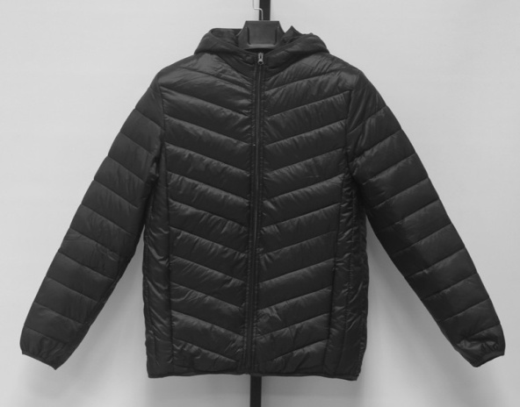
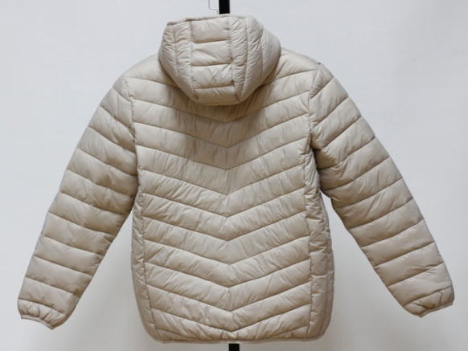
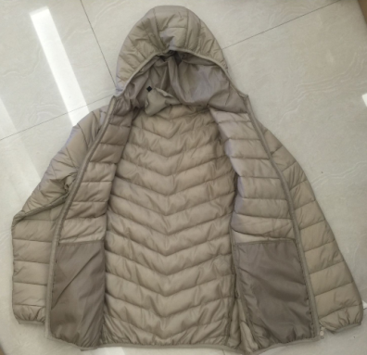
SIZE SPEC | S | M | L | XL | XXL | CM
1/2 Chest | 55 | 58 | 61 | 64 | 67 | 3
B.C.Length | 68 | 69 | 70 | 71 | 72 | 1
Sleeve Length | 66 | 67 | 68 | 69 | 70 | 1

